Help
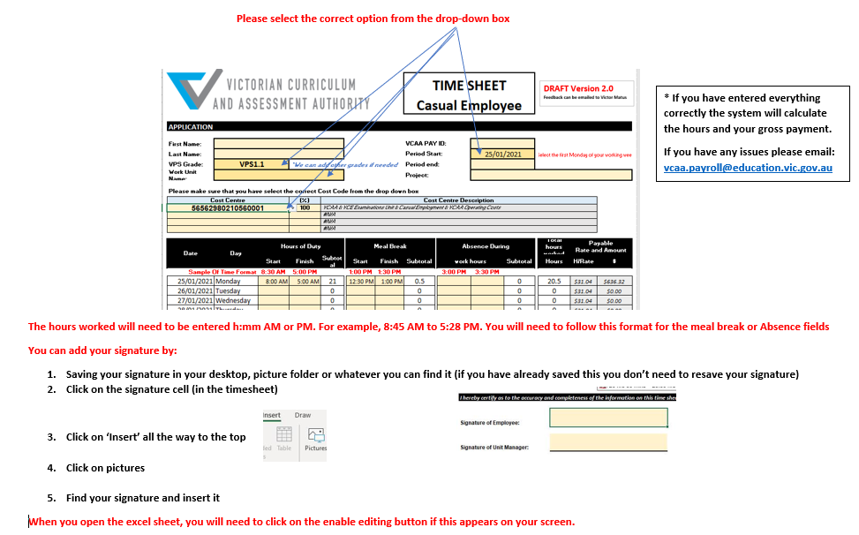

vcaa.hr@education.vic.gov.au

TimeSheet
 |  |  |  |  |  |  | TIME SHEET Casual Employee

Final Version 6.0 Feedback can be emailed to Victor Matus

APPLICATION

First Name: |  |  |  |  |  |  | VCAA PAY ID:
Last Name: |  |  |  |  |  |  | Period Start: |  | 2024-01-22 |  | Select the first Monday of your working week
VPS Grade: | VPS1.1 |  | *We can add other grades if needed |  |  |  | Period end:
Work Unit Name: |  |  |  |  |  |  | Project:
Origin | Melbourne

Date | Day | Hours of Duty |  |  | Meal Break |  |  | Absence During |  |  | Total hours worked | Payable Rate and Amount
 |  | Start | Finish | Subtotal | Start | Finish | Subtotal | work hours |  | Subtotal | Hours | H/Rate | $
Sample Of Time Format |  | 8:30 AM | 5:00 PM |  | 1:00 PM | 1:30 PM |  | 3:00 PM | 3:30 PM
2024-01-22 | Monday |  |  | 0 |  |  | 0 |  |  | 0 | 0 | $32.70 | $0.00
2024-01-23 | Tuesday |  |  | 0 |  |  | 0 |  |  | 0 | 0 | $32.70 | $0.00
2024-01-24 | Wednesday |  |  | 0 |  |  | 0 |  |  | 0 | 0 | $32.70 | $0.00
2024-01-25 | Thursday |  |  | 0 |  |  | 0 |  |  | 0 | 0 | $32.70 | $0.00
2024-01-26 | Friday |  |  | 0 |  |  | 0 |  |  | 0 | 0 | $32.70 | $0.00
2024-01-27 | Saturday |  |  | 0 |  |  | 0 |  |  | 0 | 0 | $32.70 | $0.00
2024-01-28 | Sunday |  |  | 0 |  |  | 0 |  |  | 0 | 0 | $32.70 | $0.00
2024-01-28 |  |  |  |  |  |  |  | SUBTOTAL Week 1: |  |  | 0 |  | $0.00
2024-01-29 | Monday |  |  | 0 |  |  | 0 |  |  | 0 | 0 | $32.70 | $0.00
2024-01-30 | Tuesday |  |  | 0 |  |  | 0 |  |  | 0 | 0 | $32.70 | $0.00
2024-01-31 | Wednesday |  |  | 0 |  |  | 0 |  |  | 0 | 0 | $32.70 | $0.00
2024-02-01 | Thursday |  |  | 0 |  |  | 0 |  |  | 0 | 0 | $32.70 | $0.00
2024-02-02 | Friday |  |  | 0 |  |  | 0 |  |  | 0 | 0 | $32.70 | $0.00
2024-02-03 | Saturday |  |  | 0 |  |  | 0 |  |  | 0 | 0 | $32.70 | $0.00
2024-02-04 | Sunday |  |  | 0 |  |  | 0 |  |  | 0 | 0 | $32.70 | $0.00
 |  |  |  |  |  |  |  | SUBTOTAL Week 2: |  |  | 0 |  | $0.00
 |  |  |  |  |  |  |  |  | Grand Total: |  | 0 |  | $0.00

Please ensure that you have selected the correct Cost Code from the drop-down box and record the total hours against it.
Cost Centre |  |  | Total Hours | Cost Centre Description
 |  |  | 0
 |  |  |  | #N/A
 |  |  |  | #N/A
 |  |  |  | #N/A
 |  |  |  | #N/A
 |  |  | 0

I hereby certify as to the accuracy and completeness of the information on this time sheet.

Signature of Employee: |  |  |  |  |  |  | Date: |  |  | Phone No:

Or Electronic Confirmation of Approval: |  |  | The electronic approval box can be used if you would like to approve the timesheet via this method.

Signature of Unit Manager: |  |  |  |  |  |  | Date: |  |  | Phone No:

 |  |  |  |  |  | Electronic Confirmation
Unit Manager’s name: |  |  |  |  |  |  | The electronic approval box can be used if you would like to approve the timesheet via this method.

Complete as required

Signature of Project Manager: |  |  |  |  |  |  | Date: |  |  | Phone No:

 |  |  |  |  |  | Electronic Confirmation
Project Manager’s Name: |  |  |  |  |  |  | The electronic approval box can be used if you would like to approve the timesheet via this method.

Payroll Information for Employees and Managers

All casuals employed by the VCAA must have an online SSMS account.
Therefore, it is your responsibility to ensure you maintain main contact details via that account (preferred email, mobile, home phone, mailing address).
You also need to be familiar with and comply with the VCAA’s employment conditions, and payment requirements – including criminal records check, conditions of appointment, pay rates and dates.
If new to have submitted before any payment is due a Direct Credit Banking details form and a Tax File Number Declaration form and be aware of Superannuation and Salary sacrifice issues.
The VCAA will not take responsibility for incorrect information given by the employee.
Using your SSMS account your personal details as listed above can be checked via the Modify Personal Details menu item.
Pay advice slips will be sent to the preferred email address given by you under your SSMS account.

VCAA USE ONLY
I hereby certify that:
· the appointment of this employee has been duly authorised and is still current.
· the appointment has been made in accordance with VPS Staffing Guidelines and VCAA conditions of employment.
· a Statutory Declaration in respect to the disclosure of information has been duly completed.
· funding for the appointment is approved in the current budget in accordance with the following budget classifications.

 |  |  |  |  |  |  |  |  |  |  |  |  | VCAA2020

